Sheet1
Sl No: | 1
zoho Id | WQ1-148
Summary: | Blank Vital entry is generating in Assessment History

Steps to Reproduce:

 | 1) Launch Application
 | URL: http://mediwarecloud.com/mediwareqc
 | 2) Go to Care Desk>>Out Patient tab
 | 3) Select any Patient in Arrived status
 | Patient Id: NH00000193
 | 4) Patient OP Pre-consultation pop up is displayed
 | 5) Select Vitals in Templates Menu
 | 6) Selct "Save & Continue" Button twice without entering data
 | 7) Verify "Assessment Summary" in Templates

Module: | Care Desk

Expected Result:

 | Vital entry for balnk data should not be generated

Actual Result:

 | Vital Entry table is generated with blank data
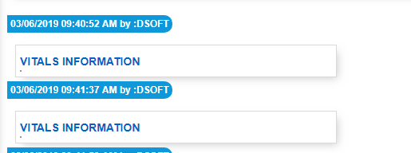

Sl No: | 2
Zoho id | WQ1-149
Summary: | Text overlapping in Assessment History

Steps to Reproduce:

 | 1) Launch Application
 | URL: http://mediwarecloud.com/mediwareqc
 | 2) Go to Care Desk>>Out Patient tab
 | 3) Select any Patient in Arrived status
 | Patient Id: NH00000193
 | 4) Patient OP Pre-consultation pop up is displayed
 | 5) Select "Patient and Family Education" in Templates Menu
 | 6) Enter details and Click Save
 | 7) Select "Assessment Summary" in "Transactions"
 | 8) Verify Parent and Family Education entered details

Module: | Care Desk

Expected Result:

 | Data should be displayed in correct format

Actual Result:

 | Parent Education details is data is overlapping

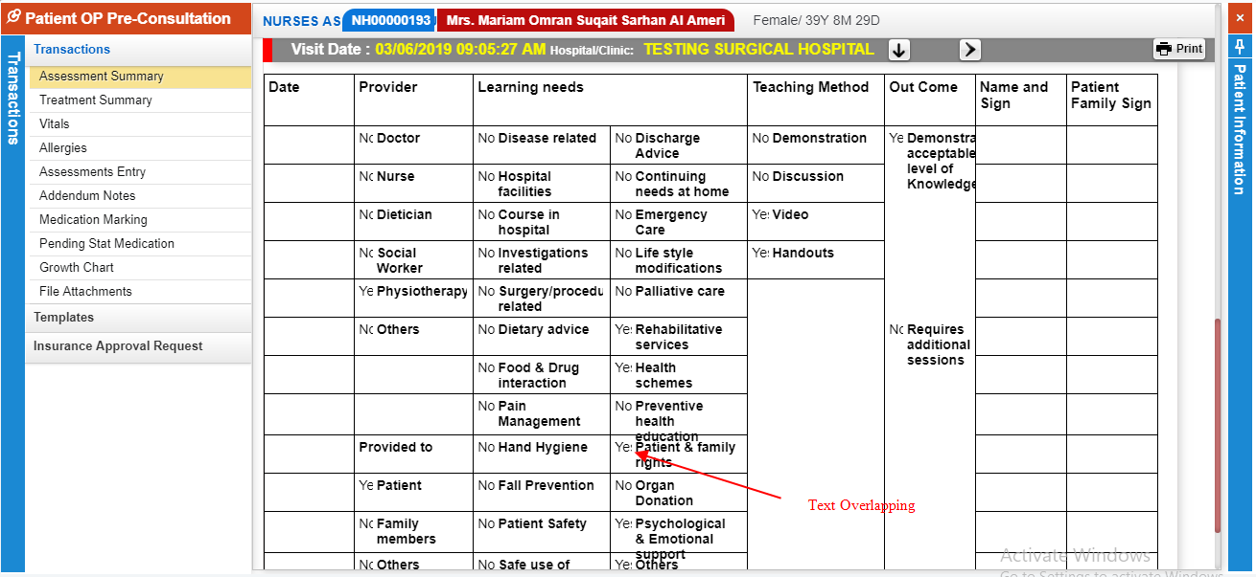

Sl No: | 3

Summary: | Font size heading is different in "Assessment Summary"

Steps to Reproduce:
 | 1) Launch Application
 | URL: http://mediwarecloud.com/mediwareqc
 | 2) Go to Care Desk>>Out Patient tab
 | 3) Select any Patient in Arrived status
 | 4) Patient OP Pre-consultation pop up is displayed
 | 5) Select "Patient and Family Education" in Templates Menu
 | 6) Enter details and Click Save
 | 7) Select "Assessment Summary" in "Transactions"
 | 8) Verify "Visit Date " and "Hospital/Clinic"

Module: | Care Desk

Expected Result:
 | "Visit Date " and "Hospital/Clinic" should have same font size

Actual Result:
 | "Visit Date " and "Hospital/Clinic" having different font size

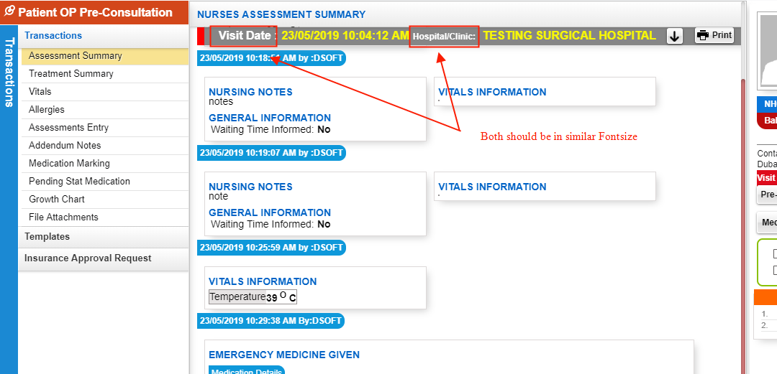

Sl No: | 4

Summary: | Appointment Time is not displaying

Steps to Reproduce:
 | 1) Launch Application
 | URL: http://mediwarecloud.com/mediwareqc
 | 2) Go to Care Desk>>Out Patient tab
 | 3) Verify Waiting Out patient listings

Module: | Care Desk

Expected Result:

 | Appointment Time should be displayed

Actual Result:

 | Appointment time is not displaying

Sl No: | 5

Summary: | Check box is partially visible in "Patient and Family Education"

Steps to Reproduce:
 | 1) Launch Application
 | URL: http://mediwarecloud.com/mediwareqc
 | 2) Go to Care Desk>>Out Patient tab
 | 3)Select any Patient from the list
 | 4) Patient OP-Pre consultation pop up window should be displayed
 | 5) Select Patient and Family Education in Templates Menu
 | 7) Click on pin option on top right of the pop up window
 | 6) Verify form data

Module: | Care Desk

Expected Result:
 | Check box ahould be fully visible

Actual Result:
 | Check box is partially visible

Sl No: | 6
Zoho Id:
Summary: | Add space b/w text "Patientwise"

Steps to Reproduce: | 1) Launch Application
 | URL: http://mediwarecloud.com/mediwareqc
 | 2) Go to In Patient
 | 3) Select Menu>>Query
 | 3) Verify Patientwise search

Module: | In Patient

Expected Result:

Actual Result:
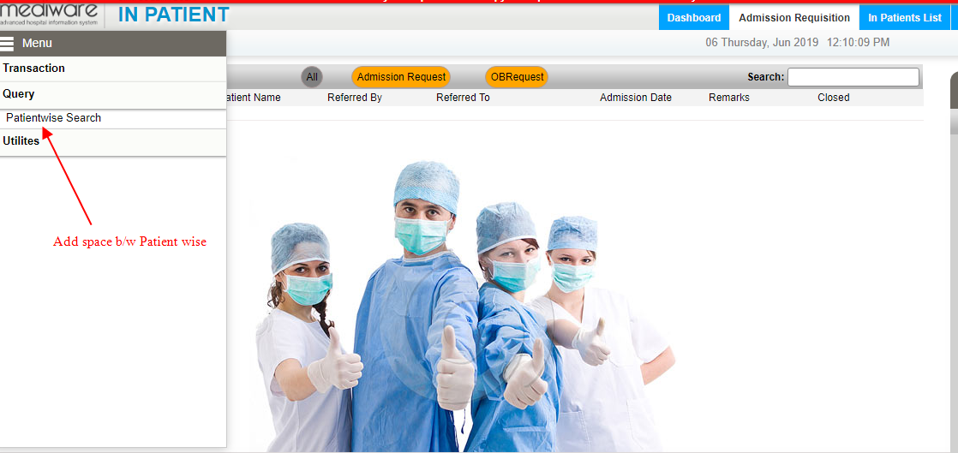

Sl No: | 7
Zoho Id:
Summary: | Change "Back" Button Icon

Steps to Reproduce:
 | 1) Launch Application
 | URL: http://mediwarecloud.com/mediwareqc
 | 2) Go to In Patient
 | 3) Select Menu>>Query>>Patient Search
 | 4) Enter Search keyword and Search for IP patients in the IP Patient list pop up
 | 5) Verify "Back" Icon

Module: | In Patient

Expected Result:
 | Icon should be Back Arrow

Actual Result:
 | Displaying "Search" icon
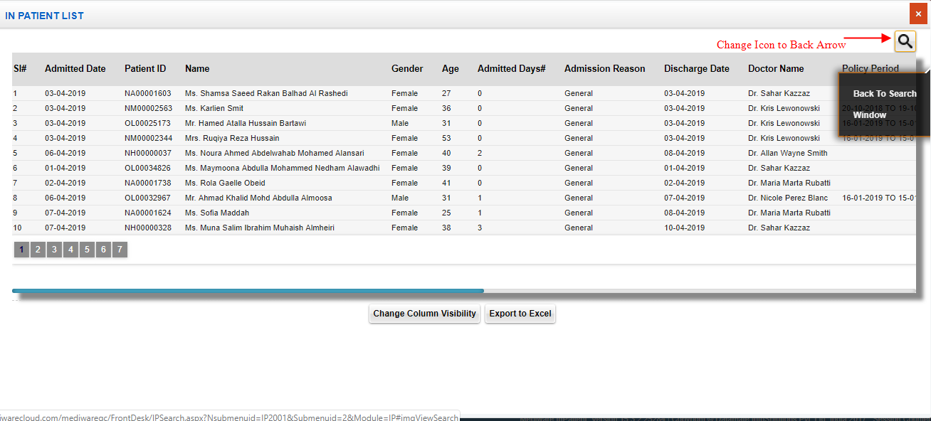

Sl No: | 8
Zoho Id: | EQ1-I60
Summary: | Confirmation message is not displaying for deleting Procedure Category in Procategory Head

Steps to Reproduce:
 | 1) Launch Application
 | URL: http://mediwarecloud.com/mediwareqc
 | 2) Go to In Patient
 | 3)Select Menu>>Utilities>>Procategory Heads
 | 4) Select Search button and select any category head from the list
 | 5)Verify Delete in Procedure Category

Module: | In Patient

Expected Result:
 | Confirmation message should be displayed

Actual Result:
 | No Confirmation message

Sl No: | 9
Zoho Id: | EQ1-I58
Summary: | Mandatory field identification is missing

Steps to Reproduce:
 | 1) Launch Application
 | URL: http://mediwarecloud.com/mediwareqc
 | 2) Go to In Patient
 | 3)Select Menu>>Utilities>>Procategory Heads
 | 4)Verify Header name and order no: textboxes

Module: | In Patient

Expected Result:
 | Header name and Order number texboxes should be marked red on left side

Actual Result:
 | No red marking on Header name and order number textboxes

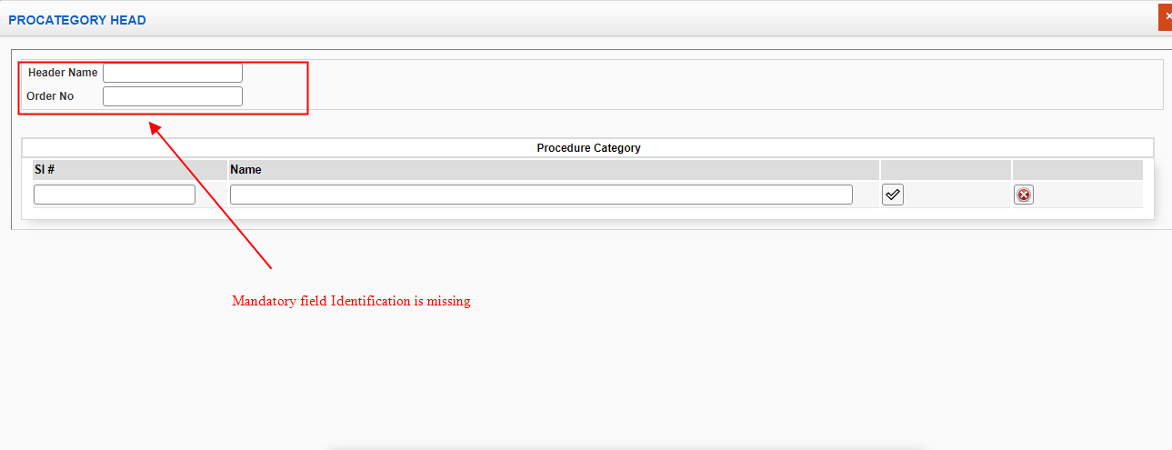

Sl No: | 10
Zoho Id: | EQ1-I56
Summary: | Blank Preview of print is generating in "Approximate Calculation"

 | Steps to Reproduce:
 | 1) Launch Application
 | URL: http://mediwarecloud.com/mediwareqc
 | 2) Go to In Patient
 | 3)Select Menu>>Utilities>>Approximate calculation
 | 4) Select any from the list and Click "Process" Button
 | 5)Total amount and Advance amount is generated
 | 6) Select Print option
 | 7) A pop up for selecting Summary,Detailed Print(Bill wise),Detailed Print (Item wise) is generated
 | 8) Verify "summary Print"

Module: | In Patient

Expected Result:
Print Preview of Summary of bill details should be generated

Actual Result:
Blank page is generating



Sl No: | 11
Zoho Id: | EQ1-I55
Summary: | "No Data found" message is generating instead of message to select Patient

Steps to Reproduce:
 | 1) Launch Application
 | URL: http://mediwarecloud.com/mediwareqc
 | 2) Go to In Patient
 | 3)Select Menu>>Utilities>>Approximate calculation
 | 4) "Process" Button without selecting Patients from the list
 | 5) Verify Message displayed

Module: | In Patient

Expected Result:
 | Message to check any checkbox should be generated

Actual Result
 | No data found message is generating
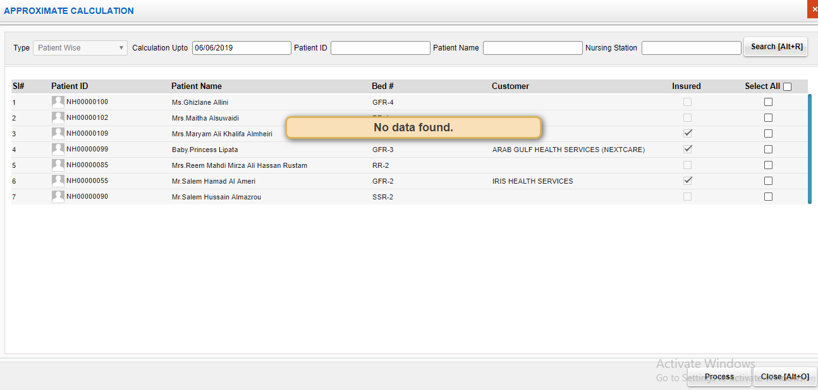

Sl No: | 12
Zoho Id:
Summary: | Add space in OBRequest

Steps to Reproduce:
 | 1) Launch Application
 | URL: http://mediwarecloud.com/mediwareqc
 | 2) Go to In Patient
 | 3) select Admission Requisition tab
 | 4) Verify OB Request

Module: | In Patient

Expected Result:

Actual Result
 | No space b/w OB Request
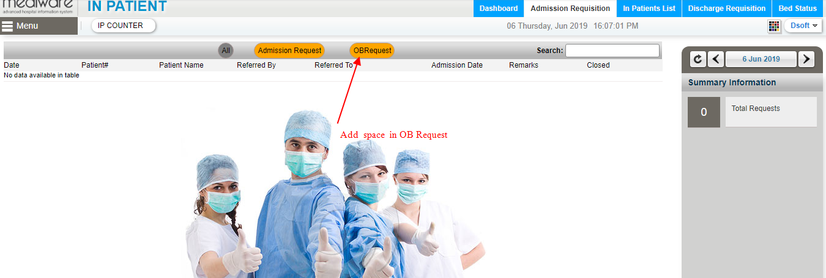

Sl No: |  | Zoho Id: | Summary: | Doctor name is not listing in Care Desk Module

 |  |  | Steps to Reproduce: | 1) Launch Application
 |  |  |  | URL: http://mediwarecloud.com/mediwareqc
 |  |  |  | 2) Select "Testing Marina" as hospital
 |  |  |  | 3) Select Care Desk Module
 |  |  |  | 4) Select Out-Patient tab
 |  |  |  | 5) Verify "Change Doctor" drop dowm

 |  |  | Screen Resolution: | 1360x768
 |  |  | Browser: | Google Chrome Version 74.0.3729.169
 |  |  | Operating System: | Window 10, Windows 7

 |  |  | Module: | Care Desk

 |  |  | Expected Result: | All Doctors in "Testing Marina" should be listed

 |  |  | Actual Result | Dr. Raj Mohan in Testing Marina is not listing

IP
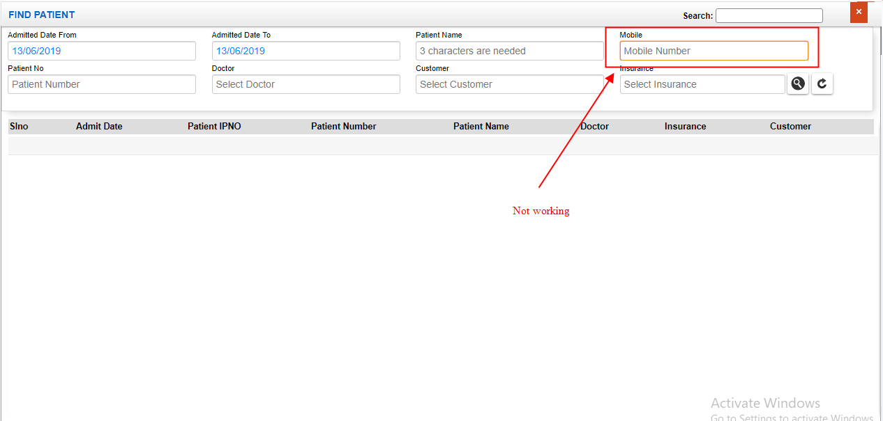
Sl No: | 1 | Zoho Id: | EQ1-I98 | Summary: | Clear button will clear all Advance linstings

 |  |  |  | Steps to Reproduce: | 1) Launch Application
 |  |  |  |  | URL: http://mediwarecloud.com/mediwareqc
 |  |  |  |  | 2) Go to In Patient
 |  |  |  |  | 3) Select Menu>>Advance
 |  |  |  |  | 4) Select "Search" button on bottom of the "Advance" pop up window
 |  |  |  |  | 5) Enter data in any search fields
 |  |  |  |  | 6) Select "Clear" Button
 |  |  |  |  | 7) Verify result

 |  |  |  | Module: | In-Patient

 |  |  |  | Expected Result: | Should clears all search fields only

 |  |  |  | Actual Result | Clears all listings along with search fields
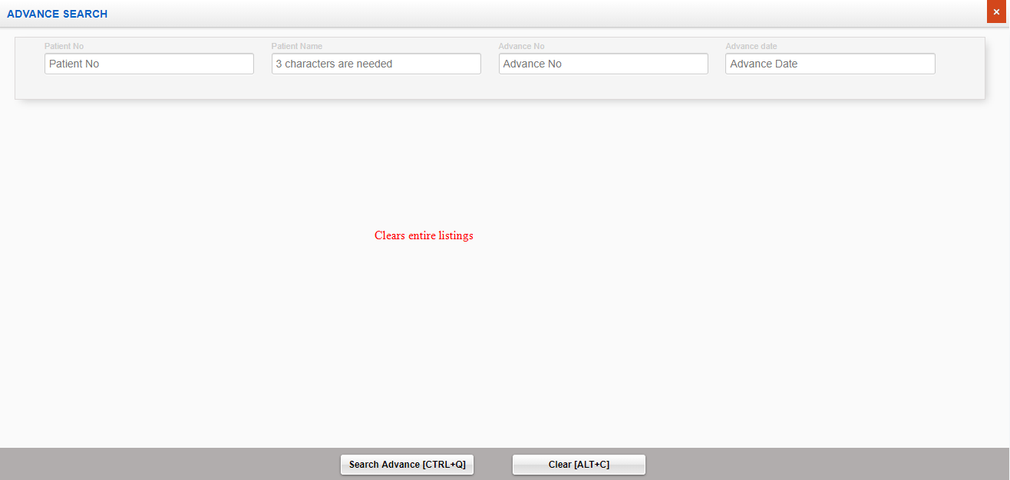

Sl No: | 2 | Zoho Id: | EQ1-I99 | Summary: | Cannot enter alphabets in Patient Id Search

 |  |  |  | Steps to Reproduce: | 1) Launch Application
 |  |  |  |  | URL: http://mediwarecloud.com/mediwareqc
 |  |  |  |  | 2) Go to In Patient
 |  |  |  |  | 3) Select Menu>>Advance
 |  |  |  |  | 4) Select "Search" button on bottom of the "Advance" pop up window
 |  |  |  |  | 5) Verify Patient Id Search textbox box

 |  |  |  | Module: | IP Patient

 |  |  |  | Expected Result: | Should be able to type alphabets

 |  |  |  | Actual Result | Cannot enter alphabets
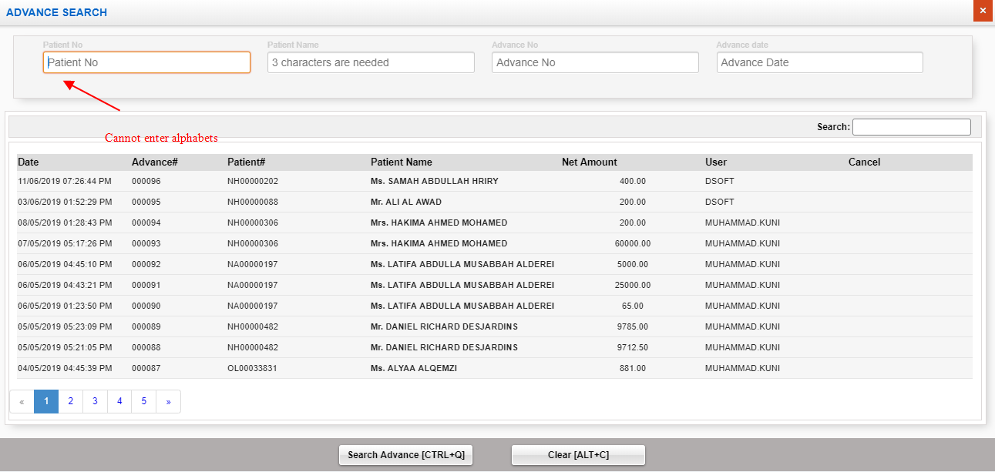

Sl No: | 3 | Zoho Id: | EQ1-I00 | Summary: | Search is not working correctly

 |  |  |  | Steps to Reproduce: | 1) Launch Application
 |  |  |  |  | URL: http://mediwarecloud.com/mediwareqc
 |  |  |  |  | 2) Go to In Patient
 |  |  |  |  | 3) Select Menu>>Advance
 |  |  |  |  | 4) Select "Search" button on bottom of the "Advance" pop up window
 |  |  |  |  | 5) Enter text "88" in search text box
 |  |  |  |  | 6) Verify Result

 |  |  |  | Module: | IP Patient

 |  |  |  | Expected Result: | Should display only fields containing any of the entered text should be present

 |  |  |  | Actual Result | Unmatching result is generating
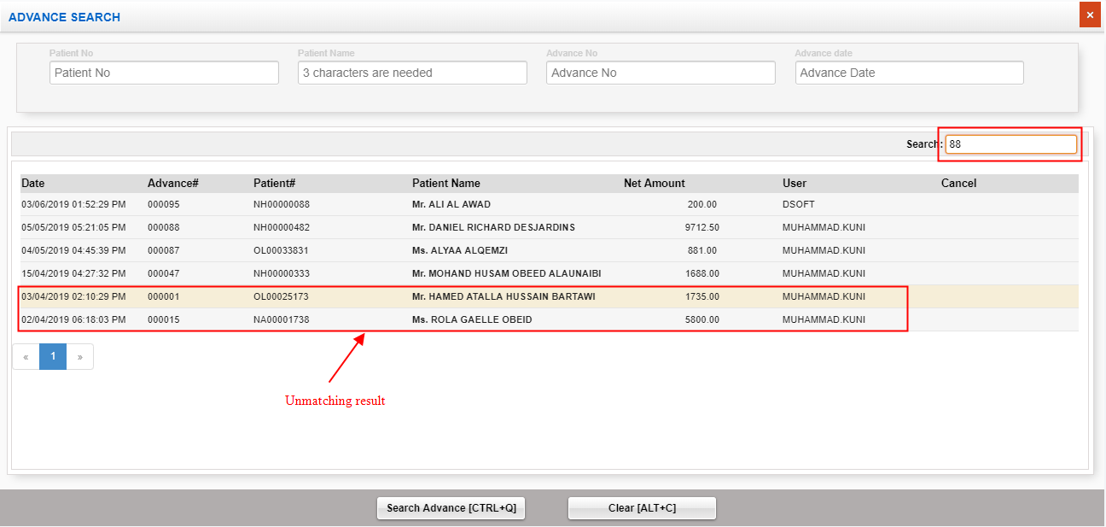

Sl No: | 4 | Zoho Id: | EQ1-I01 | Summary: | Status missing

 |  |  |  | Steps to Reproduce: | 1) Launch Application
 |  |  |  |  | URL: http://mediwarecloud.com/mediwareqc
 |  |  |  |  | 2) Go to In Patient
 |  |  |  |  | 3) Select Menu>>Advance
 |  |  |  |  | 4) Select "Search" button on bottom of the "Advance" pop up window
 |  |  |  |  | 5) Status heading is missing

 |  |  |  | Module: | In Patient

 |  |  |  | Expected Result: | Should display status of each advance

 |  |  |  | Actual Result | Cancel Heading instead of Status
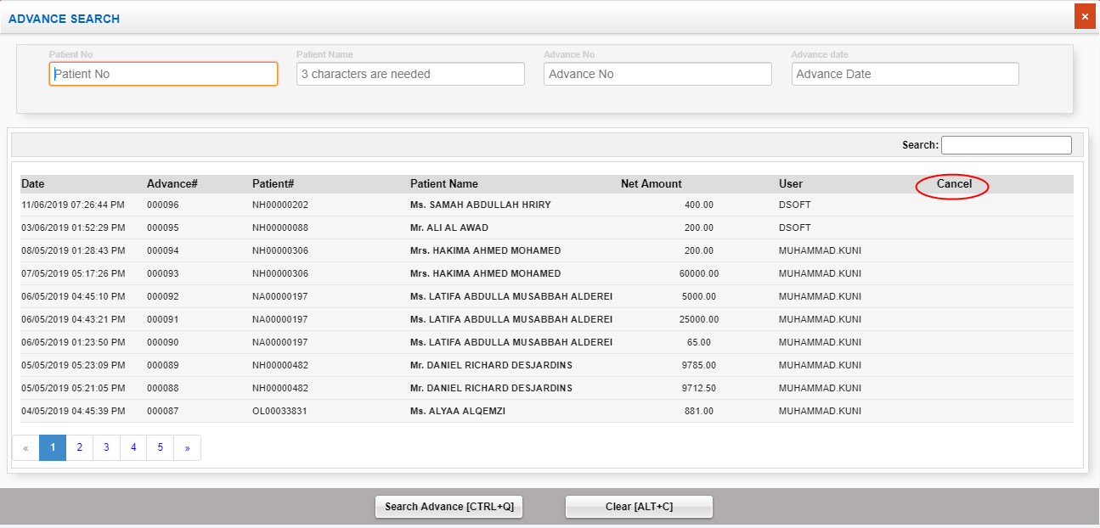

Sl No: | 5 | Zoho Id: | EQ1-I02 | Summary: | Change the position of Submit and clear button

 |  |  |  | Steps to Reproduce: | 1) Launch Application
 |  |  |  |  | URL: http://mediwarecloud.com/mediwareqc
 |  |  |  |  | 2) Go to In Patient
 |  |  |  |  | 3) Select Menu>>Advance
 |  |  |  |  | 4) Select "Search" button on bottom of the "Advance" pop up window
 |  |  |  |  | 5) Verify the position of Submit and clear button

 |  |  |  | Module: | IP Patient

 |  |  |  | Expected Result:

 |  |  |  | Actual Result
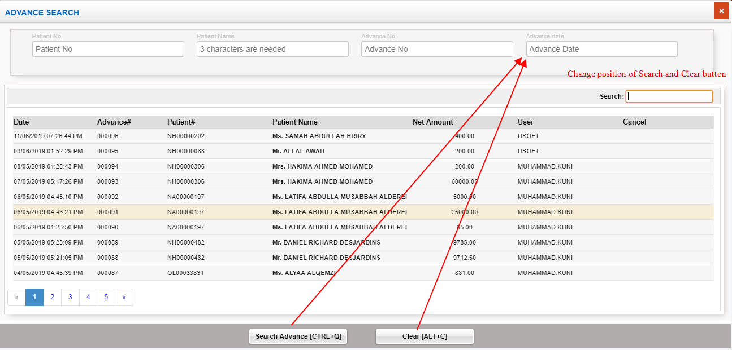

Sl No: | 6 | Zoho Id: | EQ1-I04 | Summary: | Cannot enter future date in discharge entry

 |  |  |  | Steps to Reproduce: | 1) Launch Application
 |  |  |  |  | URL: http://mediwarecloud.com/mediwareqc
 |  |  |  |  | 2) Go to In Patient
 |  |  |  |  | 3) Select Menu>>Discharge Entry
 |  |  |  |  | 4) Enter Discharge date and status and select save
 |  |  |  |  | 5) Verify message

 |  |  |  | Screen Resolution: | 1360x768
 |  |  |  | Browser: | Google Chrome Version 74.0.3729.169
 |  |  |  | Operating System: | Window 10, Windows 7

 |  |  |  | Module: | IP Patient

 |  |  |  | Expected Result: | Discharge entry should be addede with future date

 |  |  |  | Actual Result | Cannot enter discharge in future date
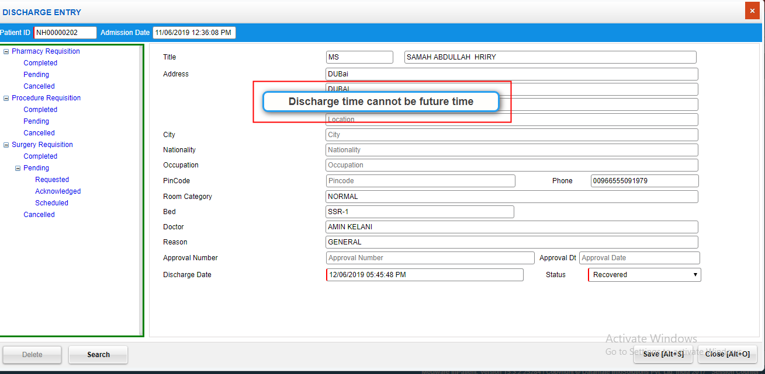

Sl No: | 7 | Zoho Id: | EQ1-I06 | Summary: | No data displaying in Room Release list

 |  |  |  | Steps to Reproduce: | 1) Launch Application
 |  |  |  |  | URL: http://mediwarecloud.com/mediwareqc
 |  |  |  |  | 2) Go to In Patient
 |  |  |  |  | 3) Select Menu>>Transaction>>Room Release
 |  |  |  |  | 4) Verify list

 |  |  |  | Screen Resolution: | 1360x768
 |  |  |  | Browser: | Google Chrome Version 74.0.3729.169
 |  |  |  | Operating System: | Window 10, Windows 7

 |  |  |  | Module: | IP Patient

 |  |  |  | Expected Result: | Released Room details should be listed

 |  |  |  | Actual Result | No data is displaying
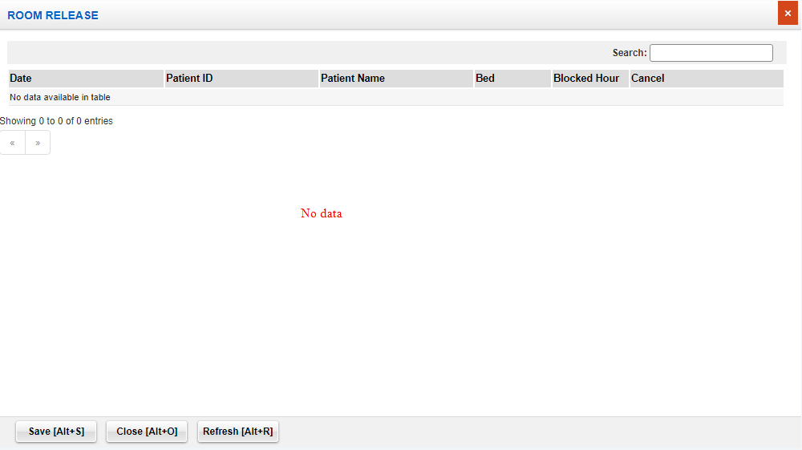

Sl No: | 8 | Zoho Id: | EQ1-I08 | Summary: | Search, Clear etc buttons in Admission pop up window is accessible in "Find Patient" pop up window

 |  |  |  | Steps to Reproduce: | 1) Launch Application
 |  |  |  |  | URL: http://mediwarecloud.com/mediwareqc
 |  |  |  |  | 2) Go to In Patient
 |  |  |  |  | 3) Select Menu>>Transaction>>Admission
 |  |  |  |  | 4) Select "Search" button on bottom of the pop up window
 |  |  |  |  | 5) Verify Find Patient pop up window

 |  |  |  | Screen Resolution: | 1360x768
 |  |  |  | Browser: | Google Chrome Version 74.0.3729.169
 |  |  |  | Operating System: | Window 10, Windows 7

 |  |  |  | Module: | IP Patient

 |  |  |  | Expected Result: | Search, Clear etc buttons in Admission pop up should not be visible in "Find Patient" pop up or in disabeled form

 |  |  |  | Actual Result | Search, Clear etc in Admission pop up is visible in "Find Patient" pop up

Sl No: | 9 | Zoho Id: | EQ1-I09 | Summary: | Search in "Find Patient" pop up is not working correctly

 |  |  |  | Steps to Reproduce: | 1) Launch Application
 |  |  |  |  | URL: http://mediwarecloud.com/mediwareqc
 |  |  |  |  | 2) Go to In Patient
 |  |  |  |  | 3) Select Menu>>Transaction>>Admission
 |  |  |  |  | 4) Select Search option
 |  |  |  |  | 5) Select Admission date from as 01/03/2019 , Admission Date to as 13/06/2019 and click Search Button
 |  |  |  |  | 5) From the displayed list search using text box on top of the pop up window

 |  |  |  | Screen Resolution: | 1360x768
 |  |  |  | Browser: | Google Chrome Version 74.0.3729.169
 |  |  |  | Operating System: | Window 10, Windows 7

 |  |  |  | Module: | IP Patient

 |  |  |  | Expected Result: | Should display only the searched item from the list

 |  |  |  | Actual Result | unmatching result is displaying

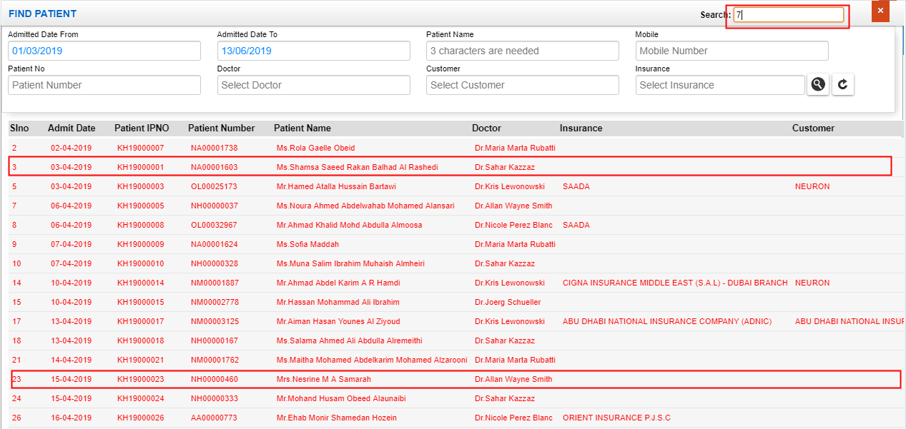

Sl No: | 10 | Zoho Id: | EQ1-I12 | Summary: | Mobile number search is not working in "Find Patient"

 |  |  |  | Steps to Reproduce: | 1) Launch Application
 |  |  |  |  | URL: http://mediwarecloud.com/mediwareqc
 |  |  |  |  | 2) Go to In Patient
 |  |  |  |  | 3) Select Menu>>Transaction>>Admission
 |  |  |  |  | 4) Select "Search" option
 |  |  |  |  | 5) Select "Admission from date" and "Admission to date"
 |  |  |  |  | 6) Enter Patient Mobile number
 |  |  |  |  | 7) Select "search" result
 |  |  |  |  | 8) Verify Result

 |  |  |  | Screen Resolution: | 1360x768
 |  |  |  | Browser: | Google Chrome Version 74.0.3729.169
 |  |  |  | Operating System: | Window 10, Windows 7

 |  |  |  | Module: | IP Patient

 |  |  |  | Expected Result: | Should display IP Patients with the entered Mobile number

 |  |  |  | Actual Result | No result is displaying

Store
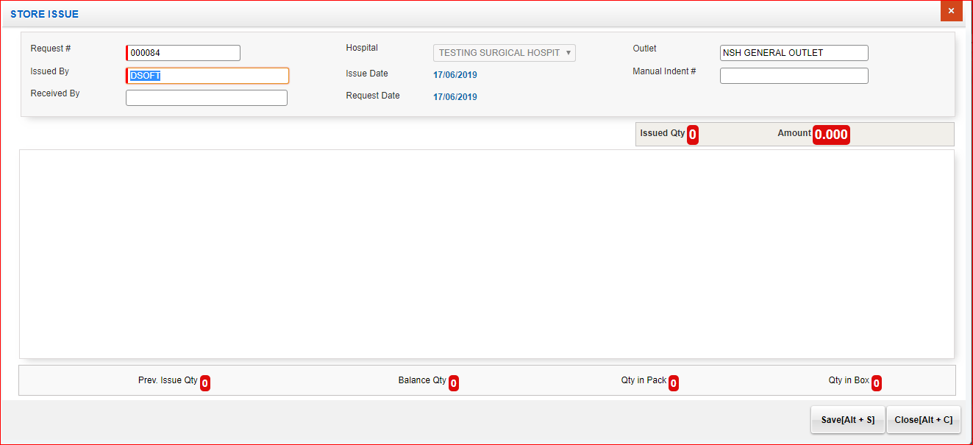
Sl No: | 1 | Zoho Id: | Summary: | Cannot view items in Store Issue pop up window

 |  |  | Steps to Reproduce: | 1) Launch Application URL: http://mediwarecloud.com/mediwareqc 2) Select "Store" from Application selector 3) Select "Hospital" , "Store" from the dropdown and Click "Select" Button 4) Go to "Pending Request Tab" 5) Select any Request by clicking on it 6) Verify generated "Store Issue" pop up window

 |  |  | Module: | Store Management

 |  |  | Expected Result: | Should display Requested Item details in the "Store Issue" pop up window

 |  |  | Actual Result | Not displaying requested items in pop up window

 |  |  |  | Screen Resolution: 1360x768 Browser: Google Chrome Version 74.0.3729.169 Operating System: Window 10, Windows 7

